Sheet1
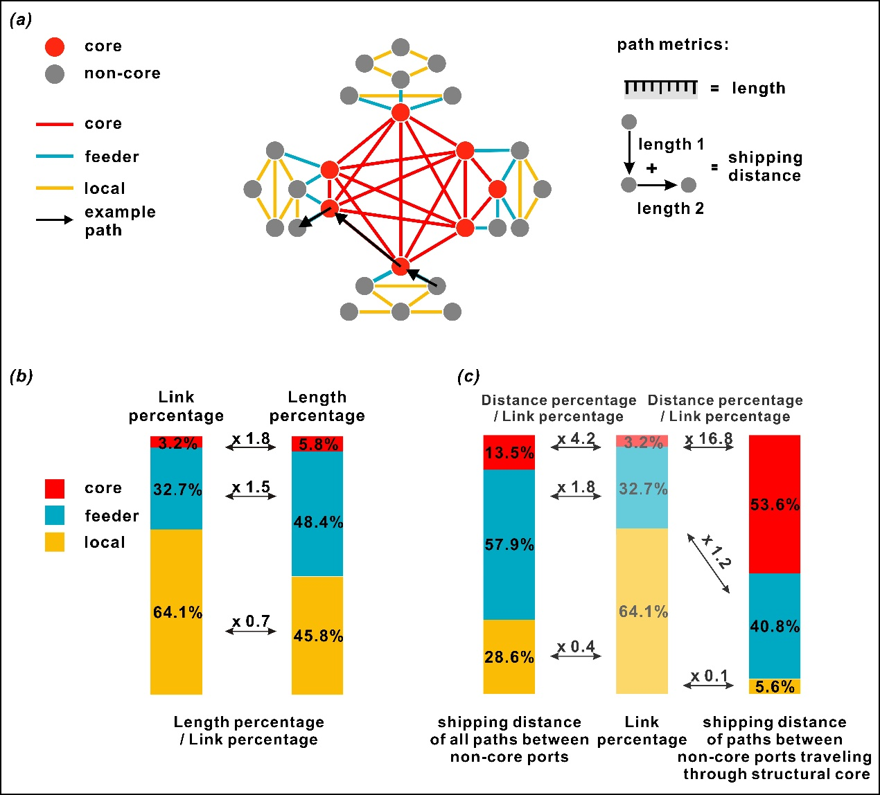
types of connections | Link percentage | Length percentage | Length percentage / Link percentage
core | 3.2 | 5.8 | 1.8
feeder | 32.7 | 48.4 | 1.5
local | 64.1 | 45.8 | 0.7

